Sheet1
Name of the Rally: |  | 300 Lakes rally
Dates: |  | 12-13.09.2016
FIA Regional Rally Championship: |  | LT&BEL Championship; FIA BRT
Name of the Observer: |  | Reinis Poznaks

SUBJECT |  | No. of evaluations available |  |  |  |  | Score | Coeff. | Total Points
 |  | No. of evaluations made
 |  | 5 | 4 | 3 | 2 | 1
1. General Organization |  | 42 | 42 | 46 | 46 | 46 | 148.0 | 1.5 | 222.0
 |  | 0 | 8 | 38 | 1 | 0
2. Itinerary - Infrastructure |  | 42 | 42 | 48 | 48 | 48 | 146.0 | 1.5 | 219.0
 |  | 0 | 7 | 37 | 3 | 1
3. Documents - Printed Matter |  | 15 | 15 | 30 | 30 | 30 | 89.0 | 1.0 | 89.0
 |  | 0 | 1 | 27 | 2 | 0
4. Safety |  | 39 | 39 | 43 | 43 | 43 | 128.0 | 2.5 | 320.0
 |  | 0 | 3 | 36 | 4 | 0
5. Media |  | 17 | 17 | 17 | 17 | 17 | 51.0 | 1.0 | 51.0
 |  | 0 | 0 | 17 | 0 | 0
6. Technical |  | 19 | 19 | 22 | 22 | 22 | 65.0 | 1.5 | 97.5
 |  | 0 | 1 | 19 | 2 | 0
Totals |  | 0 | 20 | 174 | 12 | 1
Total points score |  |  |  |  |  |  |  | 998.5

To add a bullet point press ALT+7 (Numeric keypad)
To add a line break press ALT+ENTER
To add more space adjust the row height
Positive Elements – Above average
Event is well organized by marketing and show side. It is festival for all city with alot of spectators. Drivers like the roads of region.

Areas in need of improvement
Selection of special stages. (SS1/2 and 7/9) should be not used ever again, as even with slow chikanes average speed is over 140km/h. The organizing and planing of road clothing and movement of safety and securyty marshals should be improved as it is cousing delyes for special stages and make work of all other services more stressed and provoke mistekes. Planing or organizing of "show" special stages must be more precize, as in all of them was traffic/space problems which was totaly predictible, but was not solved.

Additional notes and comments
Rally was 2nd round of FIA BRT and was organizat according to FIA rquirements, which makes organization more difficult.

Report Details

1. ORGANISATION
1.1. General Organisation
 |  |  |  |  | 5 | 4 | 3 | 2 | 1
1.1.1. General assistance provided to teams, crews and FIA officials and others by the organization before and during the event |  |  |  |  |  |  | x
1.1.2. Administrative checks and documentation |  |  |  |  |  | x
1.1.3. Distribution of bulletins and other material |  |  |  |  |  | X
1.1.4. Official Notice Board – well sited, large enough, material displayed in due time |  |  |  |  |  |  | x
1.1.5. Partial results shown on a separate notice board |  |  |  |  |  |  | x |  |  | 0 | 2 | 4 | 0 | 0
Remarks:
1.1.2 - Administration chech in good venue, was done strictly acording time scedual, which made work much more easyer for secretaries. 1.1.3 - Online message board via SMS & Whatsapp for all competitors.

1.2. Venue, accommodation, official formalities
 |  |  |  |  | 5 | 4 | 3 | 2 | 1
1.2.1. Suitability and convenience of the location where the rally was based |  |  |  |  |  |  | x
1.2.2. Suitability and quantity of hotel rooms and social facilities |  |  |  |  |  |  | x
1.2.3. Formalities for the import and re-export of cars and equipment |  |  |  |  |  |  | X |  |  | 0 | 0 | 3 | 0 | 0
To add a line break press ALT+ENTER
To add more space adjust the row height
Remarks:

1.3. Promotion
 |  |  |  |  | 5 | 4 | 3 | 2 | 1
1.3.1. Pre-event promotion and media coverage |  |  |  |  |  | X
1.3.2. Promotion and media coverage during the event |  |  |  |  |  | X
1.3.3. Relations with government and municipal authorities |  |  |  |  |  |  | x
1.3.4. Relations with the police and other forces |  |  |  |  |  |  | X
1.3.5. Popularity and reputation of the event |  |  |  |  |  | X
1.3.6. Official rally website |  |  |  |  |  |  | x |  |  | 0 | 3 | 3 | 0 | 0
Remarks:
Rally was well promoted in social media, many nice promo material, signs etc on the event. Rally has wery good reputation, with wery nice and intersting special stages in all Baltics.

1.4. Headquarters
 |  |  |  |  | 5 | 4 | 3 | 2 | 1
1.4.1. Suitability of the location of the Rally HQ, ease of access from other locations. Convenient dedicated car parking for senior officials near the Rally HQ |  |  |  |  |  |  | x
1.4.2. Various areas and rooms in close proximity to each other |  |  |  |  |  | x
1.4.3. Well guarded access to all areas, checking of credentials and identifications |  |  |  |  |  |  | x
1.4.4. Suitable size rooms and facilities, equipment, communications, working conditions |  |  |  |  |  |  |  | x
1.4.5. Direction signs to various areas, general signage |  |  |  |  |  |  | x
1.4.6. Help desk provided for the teams and general public |  |  |  |  |  | x |  |  |  | 0 | 2 | 3 | 1 | 0
Remarks:
1.4.1 Rally HQ was located wery well, but parking of oficial cars was full of many kind of "offical" cars, some times there was no free places for stewrds and obserwers. 1.4.6 Information tent infront of Rally HQ was wery good. 1.4.4. Stewards room must be eqiped with printer, as it takes long time for printing documents, if printer is in other room.

1.5. Timekeeping & Results
 |  |  |  |  | 5 | 4 | 3 | 2 | 1
1.5.1. Equipment at the TCs |  |  |  |  |  | X
1.5.2. Equipment at the SS starts, system used (automatic / manually activated) |  |  |  |  |  |  | X
1.5.3. System used to detect jump start |  |  |  |  |  |  | X
1.5.4. System used at the flying finish (automatic / manually activated) |  |  |  |  |  |  | X
1.5.5. Competence, experience, sufficient number and performance of timekeepers |  |  |  |  |  |  | X
1.5.6. Position of timekeepers |  |  |  |  |  |  | X
1.5.7. Synchronization of clocks and accuracy with official time at various locations |  |  |  |  |  |  | X
1.5.8. Back-up timing systems available in case of breakdown |  |  |  |  |  |  | X
1.5.9. Speed and method used to record and transmit SS times to the Stop control and to Results Centre |  |  |  |  |  |  | X
1.5.10. Speed and method used to transmit other times and penalties to the Results centre |  |  |  |  |  |  | X
1.5.11. Publication of printed SS times, speed, distribution. Use of the internet for results |  |  |  |  |  |  | X
1.5.12. Distribution of unofficial times on the route |  |  |  |  |  |  | X
1.5.13. Speed of publication of partial classifications at end of each Section/Leg etc. |  |  |  |  |  |  | X |  |  | 0 | 1 | 12 | 0 | 0
Remarks:
To add a line break press ALT+ENTER
To add more space adjust the row height

1.6. Officials
 |  |  |  |  | 5 | 4 | 3 | 2 | 1
1.6.1. Competence, experience and performance of the Clerk of the Course |  |  |  |  |  |  | X
1.6.2. Competence, experience and performance of the Secretary of the Rally |  |  |  |  |  |  | X
1.6.3. Competence, experience and performance of the Chief Medical Officer and team |  |  |  |  |  |  | X
1.6.4. Competence, experience and performance of the Chief Safety Officer |  |  |  |  |  |  | X
1.6.5. Competence, experience and performance of the Chief of Results and team |  |  |  |  |  |  | X
1.6.6. Competence, experience and performance of the Competitor Relations Officer(s) |  |  |  |  |  |  | X
1.6.7. Competence, experience and performance of the Chief Scrutineer and team |  |  |  |  |  |  | x
1.6.8. Competence, experience and performance of the Chief Media officer and team |  |  |  |  |  |  | X
1.6.9. Competence, experience and performance of the Stage Commanders |  |  |  |  |  |  | X
1.6.10. Competence and performance of the marshals on the route and elsewhere |  |  |  |  |  |  | X |  |  | 0 | 0 | 10 | 0 | 0
Remarks:
1.6.4 Safety officer should have more asistance or give more trust to his team. He was trying hard, but some times it was to hard. There is much space to improve road clothing "algorithm" by give more specific tasks for each safety car and save alot of time.

1.7. FIA Requirements
 |  |  |  |  | 5 | 4 | 3 | 2 | 1
1.7.1. Documentation, passes and all paperwork provided by the organisation in due time |  |  |  |  |  |  | X
1.7.2: Secretary of the stewards – used to rally duties, fluent in English/French. |  |  |  |  |  |  | X
1.7.3. Vehicle provided for FIA Observer, appropriate for conditions, equipped with calibrated trip meter or GPS, rally radio, driver available |  |  |  |  |  |  | x |  |  | 0 | 0 | 3 | 0 | 0
Remarks:

 |  |  |  |  |  |  |  |  |  | 0 | 8 | 38 | 1 | 0 | Totals | Section 1

2. ITINERARY – INFRASTRUCTURE
2.1. Start and Finish
 |  |  |  |  | 5 | 4 | 3 | 2 | 1
2.1.1. Suitability of the location(s) |  |  |  |  |  |  | X
2.1.2. Flags of FIA and competing nations plus FIA RRC logo displayed. National flags of winning crews and manufacturer plus national anthems at Finish |  |  |  |  |  |  | X
2.1.3. Presence of VIPs and dignitaries |  |  |  |  |  | X
2.1.4. Presence of spectators |  |  |  |  |  | x
2.1.5. Awards presented to three winning crews on a podium |  |  |  |  |  |  | X
2.1.6. Overall quality and presentation (including shows, speaker etc.) |  |  |  |  |  | X |  |  |  | 0 | 3 | 3 | 0 | 0
Remarks:
To add a line break press ALT+ENTER
To add more space adjust the row height
2.1.3 Presence of prime minister. 2.1.4 As usual alot of spectators un last super special stage un iland, nice show.

2.2. Road Sections (Liaisons)
 |  |  |  |  | 5 | 4 | 3 | 2 | 1
2.2.1. Lengths of the Road Sections between SSs and their proximity to the Service Park |  |  |  |  |  |  | X
2.2.2. Ease of passage through built-up areas, average speeds |  |  |  |  |  |  | X
2.2.3. Rhythm of the event |  |  |  |  |  |  | X |  |  | 0 | 0 | 3 | 0 | 0
Remarks:

2.3. Special Stages
 |  |  |  |  | 5 | 4 | 3 | 2 | 1
2.3.1. Sporting interest and length |  |  |  |  |  |  | X
2.3.2. Average speeds below recommended maximum |  |  |  |  |  |  |  |  | X
2.3.3: Stage delayed due to safety concerns or for other reasons |  |  |  |  |  |  | X
2.3.4. Stage cancelled due to safety concerns or for other reasons |  |  |  |  |  |  | (X)
2.3.5. Evaluation of the SSs in terms of safety |  |  |  |  |  |  | X |  |  | 0 | 0 | 4 | 0 | 1
Remarks:
2.3.2 in 4 stages average speed more than 140kmh even with more than one chikane in stages. 2.3.3 All delays of special stages was coused by accidents, rally when back on schedual as soon as possible.

2.4. Service Facilities (also for Remote Service Zones)
 |  |  |  |  | 5 | 4 | 3 | 2 | 1
2.4.1. Compliance with the Championship regulations and use of FIA signs |  |  |  |  |  |  | X
2.4.2. Suitable locations – sufficient size, surface and working conditions |  |  |  |  |  |  | X
2.4.3. Suitable separate entry/exit for service vehicles, control and checking |  |  |  |  |  |  | X
2.4.4. Suitably sited entry and exit TCs to avoid congestion |  |  |  |  |  |  | X
2.4.5. Safety, sanitary and communications facilities available |  |  |  |  |  |  | x
2.4.6. Facilities to channel and control public access and movement in the SPs |  |  |  |  |  |  | X
2.4.7. Overall quality and efficiency |  |  |  |  |  |  | x |  |  | 0 | 0 | 7 | 0 | 0
Remarks:
To add a line break press ALT+ENTER
To add more space adjust the row height

2.5. Refuelling zones
 |  |  |  |  | 5 | 4 | 3 | 2 | 1
2.5.1. Located at the exit from the Service Park |  |  |  |  |  |  | X
2.5.2. Convenient entry and exit points |  |  |  |  |  |  |  | x
2.5.3. Protection, exclusion of unauthorized persons |  |  |  |  |  |  |  | x
2.5.4. Surface conditions, protection from the weather |  |  |  |  |  |  | x
2.5.5. Adequate fire fighting facilities; fire appliance, suitable extinguishant |  |  |  |  |  |  | X
2.5.6. FIA signs used in accordance with the regulations |  |  |  |  |  |  | X
2.5.7. Warning signs prominently displayed |  |  |  |  |  |  | X |  |  | 0 | 0 | 5 | 2 | 0
Remarks:
2.5.5; 2.5.3. Refuell are was in crowded place, was to smaal and wery close to tyre marking zone, which put scrutiniers in dangerous situation, as they should work there. In that place is enough spece to meke reffuel are more safe for marshals.

2.6. Remote refuelling, tyre change (if used)
 |  |  |  |  | 5 | 4 | 3 | 2 | 1
2.6.1. Compliance with the regulations and use of FIA signs |  |  |  |  |  |  | X
2.6.2. Suitable location, size, surface, working conditions |  |  |  |  |  |  | X
2.6.3. Adequate marshalling, fire fighting capability etc. |  |  |  |  |  |  | X
2.6.4. Overall quality and efficiency |  |  |  |  |  |  | X
2.6.5. Warning signs prominently displayed |  |  |  |  |  |  | X |  |  | 0 | 0 | 5 | 0 | 0
Remarks:

2.7. Reconnaissance
 |  |  |  |  | 5 | 4 | 3 | 2 | 1
2.7.1. Suitable programme and paperwork |  |  |  |  |  |  | X
2.7.2. Quality of the marshalling and monitoring during reconnaissance |  |  |  |  |  |  | x
2.7.3. General arrangements, radio and mid-stage points marked |  |  |  |  |  |  | x
2.7.4. Methods used to monitor for illegal reconnaissance |  |  |  |  |  |  | x |  |  | 0 | 0 | 4 | 0 | 0
Remarks:
To add a line break press ALT+ENTER
To add more space adjust the row height

2.8. Shakedown
 |  |  |  |  | 5 | 4 | 3 | 2 | 1
2.8.1. Shakedown SS representative of the rally SSs and close to the rally base |  |  |  |  |  | X
2.8.2. Suitability of the return route from the finish to the start |  |  |  |  |  |  | x
2.8.3. Suitability and convenience of the area allocated for service vehicles (if different to the main SP) |  |  |  |  |  | X
2.8.4. Timekeeping at the start and finish the same as used for the rally |  |  |  |  |  |  | X
2.8.5. Overall quality and efficiency |  |  |  |  |  | X |  |  |  | 0 | 3 | 2 | 0 | 0
Remarks:
Shakedown was organized as qualification stage for starting order.

2.9. Super Special Stage (If there is one)
 |  |  |  |  | 5 | 4 | 3 | 2 | 1
2.9.1. Sporting interest and challenge |  |  |  |  |  |  | X
2.9.2. Spectators attendance |  |  |  |  |  | X
2.9.3. General organization (parking, catering, sanitary facilities, public address system etc.) |  |  |  |  |  |  |  | X |  | 0 | 1 | 1 | 1 | 0
Remarks:
2.9.3 Acces to the SSS is sia narrow bridge with huge traffic of spectators in both directions. And parc ferme at the end of bridge. Pre start are was to small, and rally cars was standing on one line of bridge. which created trafic jam. There was no aditional traffic organizing marshals.

2.10. Re-Start after retirement – Rally 2
 |  |  |  |  | 5 | 4 | 3 | 2 | 1
2.10.1. Provision for recovery of cars in stages |  |  |  |  |  |  | X
2.10.2. Cars placed in the Parc Fermé in time |  |  |  |  |  |  | X
2.10.3. Overall control and supervision of application of Rally 2 rules |  |  |  |  |  |  | X |  |  | 0 | 0 | 3 | 0 | 0
Remarks:
To add a line break press ALT+ENTER
To add more space adjust the row height
 |  |  |  |  |  |  |  |  |  | 0 | 7 | 37 | 3 | 1 | Totals | Section 2

3. DOCUMENTS – PRINTED MATTER
3.1. Road Book
 |  |  |  |  | 5 | 4 | 3 | 2 | 1
3.1.1. Layout, contents, compliance with standard requirements |  |  |  |  |  |  | X
3.1.2. Clarity and accuracy of the route direction diagrams and information provided |  |  |  |  |  |  | X
3.1.3. Accuracy of the distances shown |  |  |  |  |  |  | X
3.1.4. Clarity and accuracy of the Start, Finish and Service Park diagrams |  |  |  |  |  |  | X
3.1.5. Clarity and usefulness of the control photographs or other means of identification |  |  |  |  |  |  | X
3.1.6. Clarity and content of stage maps, alternative routes shown |  |  |  |  |  |  |  | X
3.1.7. Clarity and accuracy of the alternative route direction diagrams and distances. |  |  |  |  |  |  | X |  |  | 0 | 0 | 6 | 1 | 0
Remarks:
3.1.6 The marking of alternitive roads in road book was unclear.

3.2. Rally Guide
 |  |  |  |  | 5 | 4 | 3 | 2 | 1
3.2.1. Compliance with standard requirements and content |  |  |  |  |  |  | X
3.2.2. Presentation and clarity |  |  |  |  |  |  | X
3.2.3. Clarity, accuracy and content of SP layout diagrams |  |  |  |  |  | X
3.2.4. Clarity and accuracy of the route diagrams and distances |  |  |  |  |  |  | X
3.2.5. Quality and clarity of the overall route maps |  |  |  |  |  |  | X
3.2.6. Rally Guide published on the rally website in due time |  |  |  |  |  |  | X |  |  | 0 | 1 | 5 | 0 | 0
Remarks:
3.2.3. - A separate Service Road Book was distributed with all kind of information about the service areas, including road-books from one place to other ones.

3.3. Time Cards
 |  |  |  |  | 5 | 4 | 3 | 2 | 1
3.3.1. Compliance with standard layout and usage |  |  |  |  |  |  | X
3.3.2. Separate time cards for each Section and Leg |  |  |  |  |  |  | X |  |  | 0 | 0 | 2 | 0 | 0
Remarks:

3.4. Regulations
 |  |  |  |  | 5 | 4 | 3 | 2 | 1
3.4.1. Contents in conformity with RRCSR App. II.1 |  |  |  |  |  |  | X
3.4.2. Draft sent to the FIA in due time |  |  |  |  |  |  | X
3.4.3. Contents in conformity with corrections proposed by the FIA observer |  |  |  |  |  |  | X
3.4.4. Presentation, clarity and print quality |  |  |  |  |  |  | X
3.4.5. Printed and published on the rally website in due time |  |  |  |  |  |  | X |  |  | 0 | 0 | 5 | 0 | 0
Remarks:

3.5. Other standard documents
 |  |  |  |  | 5 | 4 | 3 | 2 | 1
3.5.1. Entry Form |  |  |  |  |  |  | X
3.5.2. Entry List, list of starters etc. |  |  |  |  |  |  | X
3.5.3. Partial and final classifications |  |  |  |  |  |  | X
3.5.4. Bulletins |  |  |  |  |  |  | X
3.5.5. Stewards agendas, minutes, decisions etc. |  |  |  |  |  |  | X |  |  | 0 | 0 | 5 | 0 | 0
Remarks:

3.6. Passes, Plates
 |  |  |  |  | 5 | 4 | 3 | 2 | 1
3.6.1. Passes well presented, clear and of good quality, colour coded |  |  |  |  |  |  |  | x
3.6.2. Sample boards displayed at all appropriate locations |  |  |  |  |  |  | X
3.6.3. Recognition, understanding, control by event marshals, security staff etc. |  |  |  |  |  |  | X |  |  | 0 | 0 | 2 | 1 | 0
Remarks:
To add a line break press ALT+ENTER
To add more space adjust the row height
3.6.1 There were no identinty on "officials" pases. As oifficials have different level of authority on event, "one level" pases can couse problems in event with many peoples involved.

3.7. Official Rally Programme
 |  |  |  |  | 5 | 4 | 3 | 2 | 1
3.7.1. Content |  |  |  |  |  |  | X
3.7.2. Printing quality and distribution |  |  |  |  |  |  | X |  |  | 0 | 0 | 2 | 0 | 0
Remarks:

 |  |  |  |  |  |  |  |  |  | 0 | 1 | 27 | 2 | 0 | Totals | Section 3

4. SAFETY
4.1. Safety Plan
 |  |  |  |  | 5 | 4 | 3 | 2 | 1
4.1.1. Compliance with the standard requirements and contents |  |  |  |  |  |  | X
4.1.2. Presentation, clarity and print quality |  |  |  |  |  |  | X
4.1.3. Map (including evacuation routes) and spread sheet with safety measures for each Special Stage |  |  |  |  |  |  | x
4.1.4. Spectator and other special (especially dangerous!) areas with individual separate sketches |  |  |  |  |  |  | X
4.1.5. Extent to which the Safety Plan was implemented during the rally |  |  |  |  |  |  | X |  |  | 0 | 0 | 5 | 0 | 0
Remarks:

4.2. Emergency vehicles and manpower
 |  |  |  |  | 5 | 4 | 3 | 2 | 1
4.2.1. Ambulances – location, equipment, medical teams |  |  |  |  |  |  | X
4.2.2. MIVs – location, equipment, medical and intervention capability |  |  |  |  |  |  | X
4.2.3. Technical vehicles for extrication – location, equipment and intervention capability |  |  |  |  |  |  | X
4.2.4. Fire fighting capability – location, suitability for rapid transit of SSs |  |  |  |  |  |  | X
4.2.5. Rescue/medical helicopter – availability for rapid intervention |  |  |  |  |  |  | X |  |  | 0 | 0 | 5 | 0 | 0
Remarks:

4.3.Safety cars, Course opening cars
 |  |  |  |  | 5 | 4 | 3 | 2 | 1
4.3.1. Number and effectiveness of the safety cars ahead of the opening cars |  |  |  |  |  |  |  | X
4.3.2. Course opening cars (minimum of two at all times) effectiveness |  |  |  |  |  |  | X
4.3.3. Suitability of starting times for safety and opening cars and adherence during rally |  |  |  |  |  |  | X
4.3.4. Use of time cards, SS start and finish procedures |  |  |  |  |  |  | X
4.3.5. Opening cars equipped with lights, sirens and PA system – system usage |  |  |  |  |  |  | X
4.3.6. Regular contact with rally HQ |  |  |  |  |  |  | X |  |  | 0 | 0 | 5 | 1 | 0
Remarks:
To add a line break press ALT+ENTER
To add more space adjust the row height
4.3.1 Road closing safety car was too slow. It did alot of work that it should not do, but report problems to safetyB. Safaty car 15min before 1st car was still closing the road. It was stoping at all spectateros even if there was no problems with them and spend alot of time unneccerly.

4.4. Safety for the crews
 |  |  |  |  | 5 | 4 | 3 | 2 | 1
4.4.1. Car-by-car monitoring of progress through the SSs, efficiency of the system used |  |  |  |  |  |  | X
4.4.2. Emergency exit points clearly shown in the Safety Plan, Road Book, ease of identification on site and clear for immediate use |  |  |  |  |  |  |  | x
4.4.3. Instructions for the correct use of SOS signs |  |  |  |  |  |  | X
4.4.4. Joining roads, tracks, physically blocked and guarded. Gates locked etc. |  |  |  |  |  |  | X
4.4.5. Hospitals on alert identified in the Safety Plan and Road Book |  |  |  |  |  |  | X
4.4.6. Capacity for immediate intervention in case of an emergency |  |  |  |  |  | x
4.4.7. Crew reaction and comment to safety provisions in place |  |  |  |  |  |  | X
4.4.8: Suitable seeding of entry list compared to results at the Start |  |  |  |  |  |  | X |  |  | 0 | 1 | 6 | 1 | 0
Remarks:
4.4.1. - Very good GPS tracking system. 4.4.2. - Emergency exit were not marked on stages. 4.4.6 All rescue services had special practice sessions before rally organised by organiser.

4.5. Safety for the public
 |  |  |  |  | 5 | 4 | 3 | 2 | 1
4.5.1. Efforts made to inform and educate the public about spectator safety before the rally |  |  |  |  |  | x
4.5.2. “No Go” areas taped, guarded and with appropriate signs |  |  |  |  |  |  | X
4.5.3. Spectator areas clearly marked, controlled and if necessary physically protected (Tyres, straw bale walls, crash barriers etc.) |  |  |  |  |  |  | x
4.5.4. Sufficient numbers of police/marshals with warning whistles, PA systems etc. to control and, if necessary, to move spectators to safe areas. |  |  |  |  |  |  |  | x
4.5.5. Official Programme and other printed material give clear and comprehensive spectator safety information and advice, parking and ‘NO GO’ areas, maps etc. |  |  |  |  |  |  | X |  |  | 0 | 1 | 3 | 1 | 0
Remarks:
4.5.4 In some places distance between safety marshals was planed to long (~ 900m) which in some cases migh be a problem, as big part of GPS safety system is marshals on special stages. 3 marshals on 2km distance is no enough especialy if one of them is alone in place with alot of spectators and is not possible to leave his post.

4.6. Equipment used for controlling the rally
 |  |  |  |  | 5 | 4 | 3 | 2 | 1
4.6.1. Suitability and effectiveness of marshals, official’s tabards and other means of identification of key personnel. (Tabard colours according to the recommendations of App. H, at least for radio posts) |  |  |  |  |  |  | X
4.6.2. Suitability and effectiveness of protection of timing marshals from the weather |  |  |  |  |  | X
4.6.3. Protection of timing equipment, photo cells etc. from accidental movement |  |  |  |  |  |  | X
4.6.4. Control sites clearly marked and protected by fencing or tape, well guarded |  |  |  |  |  |  |  | X
4.6.5. Detour pathways to divert the public away from control sites |  |  |  |  |  |  | X
4.6.6. FIA signs used in accordance with the Regulations |  |  |  |  |  |  | X
4.6.7. Safety and rescue vehicles and crews in close proximity to the SS start with clear access to the route and under immediate control of the Stage Commander and/or Rally Control |  |  |  |  |  |  | X |  |  | 0 | 1 | 5 | 1 | 0
Remarks:
To add a line break press ALT+ENTER
To add more space adjust the row height
4.6.4 There where no guards for starts/stops in some special stages, and it was difficult for marshals to do their job as they should guard spacial stage from entrance of spectators. Marshal points was well eqiped with tents and also mobile toilets.

4.7. Communications
 |  |  |  |  | 5 | 4 | 3 | 2 | 1
4.7.1. Permanent communication between the C of C and each Stage Commander, SS intermediate and safety points and SS finish/stop control |  |  |  |  |  |  | X
4.7.2. Communication possibilities with SS intermediate points by Stage Commander |  |  |  |  |  |  | X
4.7.3. Communication between Rally Control and Safety/Medical chiefs |  |  |  |  |  |  | X
4.7.4. Communication possibilities between Rally Control and Service Parks, refuel, tyre marking points etc. |  |  |  |  |  |  | X
4.7.5. Communication between Rally Control and safety and opening cars |  |  |  |  |  |  | X
4.7.6. Communication between Rally Control and FIA officials |  |  |  |  |  |  | X
4.7.7. Communication between Rally Control and field Safety chiefs, Results teams etc. |  |  |  |  |  |  | X |  |  | 0 | 0 | 7 | 0 | 0
Remarks:

 |  |  |  |  |  |  |  |  |  | 0 | 3 | 36 | 4 | 0 | Totals | Section 4

5. MEDIA
5.1. Media Facilities
 |  |  |  |  | 5 | 4 | 3 | 2 | 1
5.1.1. Suitability, location and size of the main Media Centre |  |  |  |  |  |  | X
5.1.2. Media accreditation process |  |  |  |  |  |  | X
5.1.3. Facilities and technical assistance available at the main Media Centre |  |  |  |  |  |  | x
5.1.4. Suitable opening hours of the Media Centre |  |  |  |  |  |  | X
5.1.5. Media car parking |  |  |  |  |  |  | X
5.1.6. Knowledge and competence of the staff |  |  |  |  |  |  | X
5.1.7. Passes, identity badges and photographers/TV vests |  |  |  |  |  |  | X
5.1.8. Information provided before the event |  |  |  |  |  |  | x
5.1.9. Information available during the event – content and speed of receipt |  |  |  |  |  |  | X
5.1.10. Use of the Internet as a communications tool |  |  |  |  |  |  | X
5.1.11. General attitude and behaviour of media personnel along the route |  |  |  |  |  |  | X
5.1.12. Media positions at start and finish of the rally – provisions by the organiser |  |  |  |  |  |  | X
5.1.13. Additional Media Centre (if provided) |  |  |  |  |  |  | X |  |  | 0 | 0 | 13 | 0 | 0
Remarks:
To add a line break press ALT+ENTER
To add more space adjust the row height

5.2. Pre and Post event Press Conferences
 |  |  |  |  | 5 | 4 | 3 | 2 | 1
5.2.1. Suitable location |  |  |  |  |  |  | X
5.2.2. Preparation |  |  |  |  |  |  | X
5.2.3. Attendance |  |  |  |  |  |  | X
5.2.4. Interest and value of the discussion and questions asked |  |  |  |  |  |  | X |  |  | 0 | 0 | 4 | 0 | 0
Remarks:

 |  |  |  |  |  |  |  |  |  | 0 | 0 | 17 | 0 | 0 | Totals | Section 5

6. TECHNICAL
6.1. Scrutineering, marking and sealing before the rally
 |  |  |  |  | 5 | 4 | 3 | 2 | 1
6.1.1. Suitability of the location |  |  |  |  |  |  | X
6.1.2. Suitability of the working conditions and equipment provided (lifts, tools etc.) |  |  |  |  |  |  |  | X
6.1.3. Check-in procedure in accordance with published timetable, well controlled |  |  |  |  |  | X
6.1.4. Sufficient number and competence of the scrutineers |  |  |  |  |  |  | X
6.1.5. Sufficient time allowed for all checks to be carried out |  |  |  |  |  |  | X
6.1.6. Smooth flow of cars, provision for several cars to be checked at the same time |  |  |  |  |  |  | X
6.1.7. Well protected and guarded access |  |  |  |  |  |  | X
6.1.8. Provision for media presence in reserved and guarded area |  |  |  |  |  |  | X |  |  | 0 | 1 | 6 | 1 | 0
Remarks:
6.1.2. There was no WC for scrutiniers during pre start scruteniering. 6.1.3 Time controle equipment at scruteniering which helps to keep order during scruteniering.

6.2. Tyre marking and checking
 |  |  |  |  | 5 | 4 | 3 | 2 | 1
6.2.1. Tyre marking zone located immediately after the refuel zone |  |  |  |  |  |  | X
6.2.2. Sufficient manpower to avoid delay |  |  |  |  |  |  | X
6.2.3. Tyre mark checking zone located near Service Park arrival TC |  |  |  |  |  |  | X
6.2.4. Sufficient manpower to avoid delay |  |  |  |  |  |  | X
6.2.5. FIA signs used in accordance with the regulations |  |  |  |  |  |  | X |  |  | 0 | 0 | 5 | 0 | 0
Remarks:

6.3. Parcs Fermé
 |  |  |  |  | 5 | 4 | 3 | 2 | 1
6.3.1. Suitability of the locations, close to the start and finish points and the Service Park |  |  |  |  |  |  | X
6.3.2. Convenient locations for Regrouping Parcs Fermé |  |  |  |  |  |  | X
6.3.3. Well guarded and protected |  |  |  |  |  |  | X
6.3.4. Control of entry/exit of the crews |  |  |  |  |  |  | X |  |  | 0 | 0 | 4 | 0 | 0
Remarks:
To add a line break press ALT+ENTER
To add more space adjust the row height

6.4. Scrutineering after the rally
 |  |  |  |  | 5 | 4 | 3 | 2 | 1
6.4.1. Suitable location |  |  |  |  |  |  | X
6.4.2. Efficiency of the system used to move the cars from the finish PF under supervision |  |  |  |  |  |  | X
6.4.3. Sufficient time allowed to carry out the required checks |  |  |  |  |  |  |  | x
6.4.4. Suitable working conditions and equipment (lifts, tools etc.) |  |  |  |  |  |  | X
6.4.5. Well guarded and controlled access |  |  |  |  |  |  | X |  |  | 0 | 0 | 4 | 1 | 0
Remarks:
6.4.3 Due to incoorect planning of schedual there was wery short time for final scruteniering.
 |  |  |  |  |  |  |  |  |  | 0 | 1 | 19 | 2 | 0 | Totals | Section 6

PHOTOGRAPHS

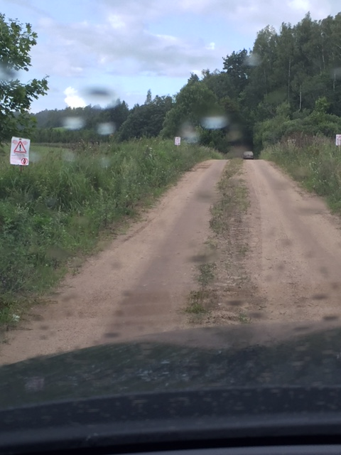
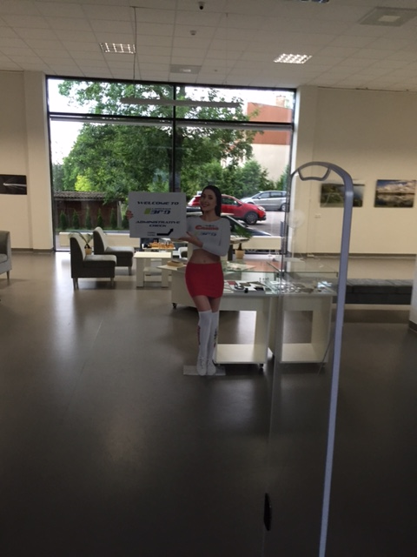
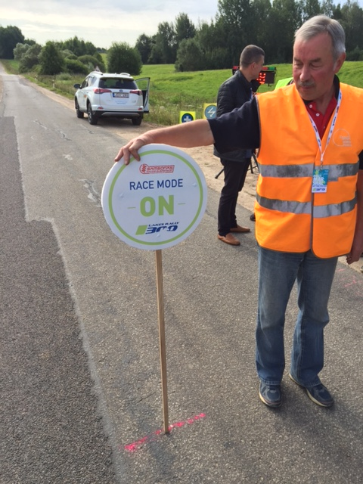
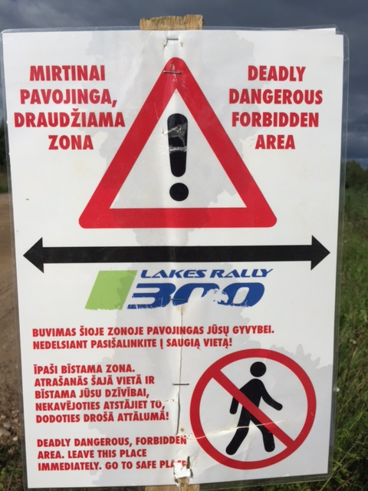
1
To add extra rows for more photogrpahs use "Insert Row"
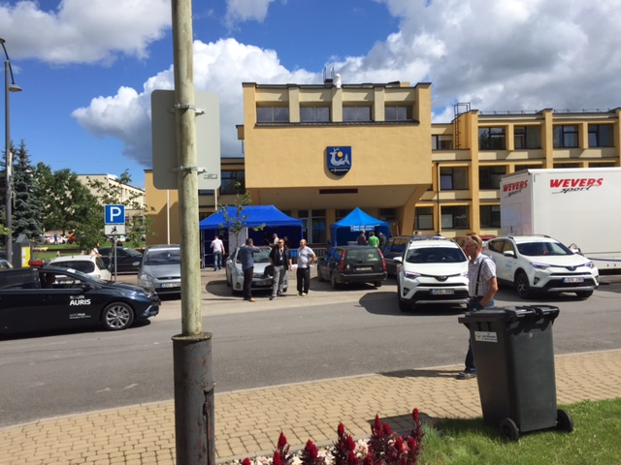
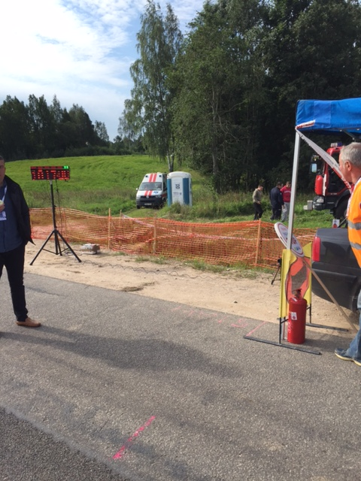
2

3

Statistics

Name of the Rally:
Dates:
FIA Regional Rally Championship:

Number of cars
CLASSES | ENTERED | STARTED |  |  |  | FINISHED
2
3
4
5
6
7
8
9
10
Total | 0 | 0 |  |  |  | 0

Priority
FIA

Nationality of the drivers entered
AUT
CZE
DEU
To add extra rows for more countries use "Insert Row"
FRA
FIN
ITA
POL
ROU
SWE

Special Stage details
Longest Special Stage |  |  |  |  | km
Shortest Special Stage |  |  |  |  | km
Fastest Special Stage |  | 146.01 |  |  | km/h
Slowest Special Stage |  | 98.02 |  |  | km/h

Route details
LEG |  | Liaison Section Km. |  | Special Stage km. |  | TOTAL km. |  | SS % OF LEG | % OF ALL SS
1 |  |  |  |  |  | 0.00 |  | #DIV/0! | #DIV/0!
2 |  |  |  |  |  | 0.00 |  | #DIV/0! | #DIV/0!
TOTAL |  | 0.00 |  | 0.00 |  | 0.00 |  |  | #DIV/0!

